Feuil1
 | Total | 248
 | Terminer | 11 | 4%
NAME | IMAGE | Q |  | Qte Machine | TODO | DOING | DONE
SCROLL_wheel | 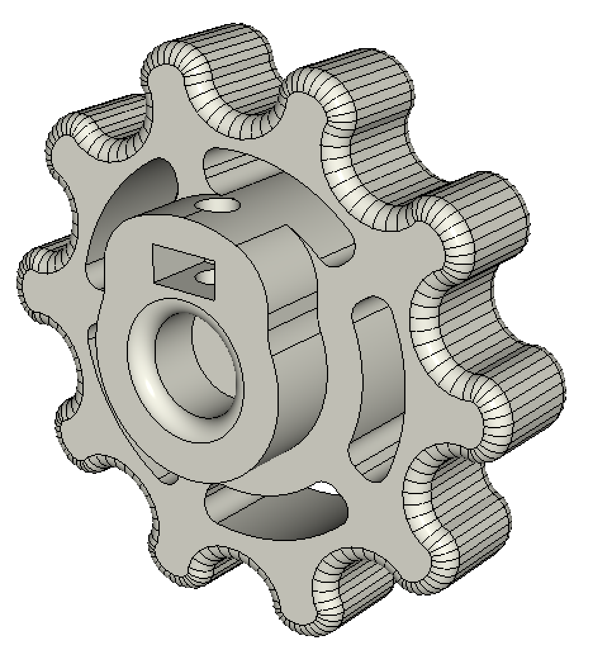 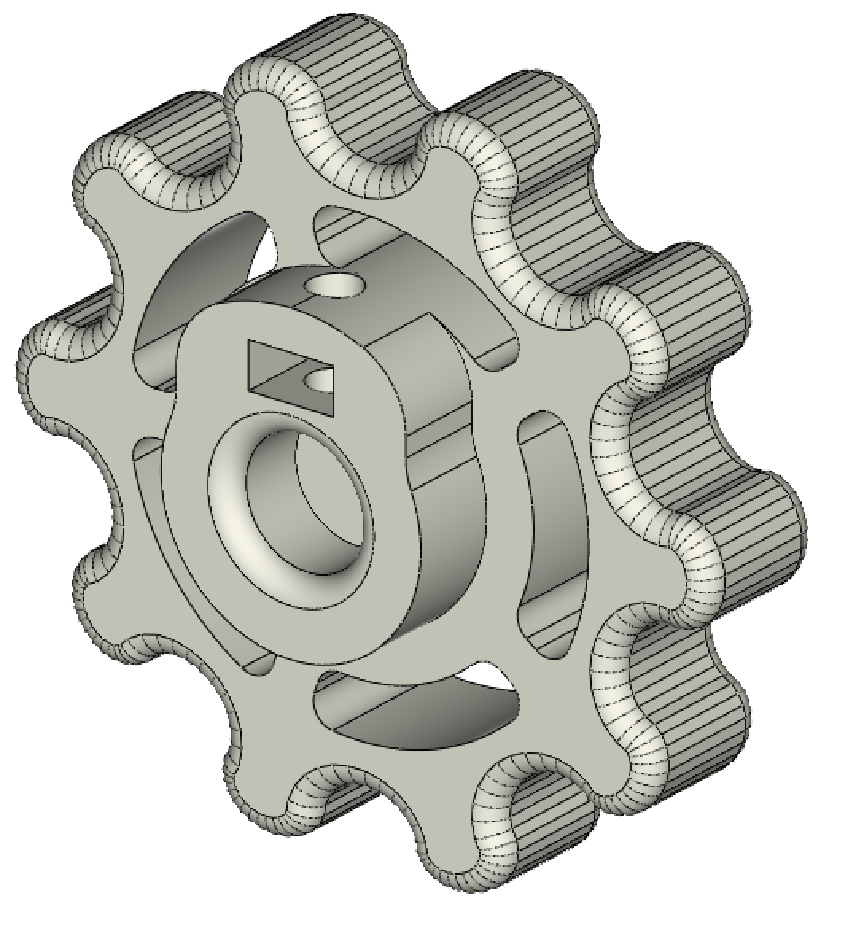 | 2 |  | 8 | 16 |  | 0
KP08_support | 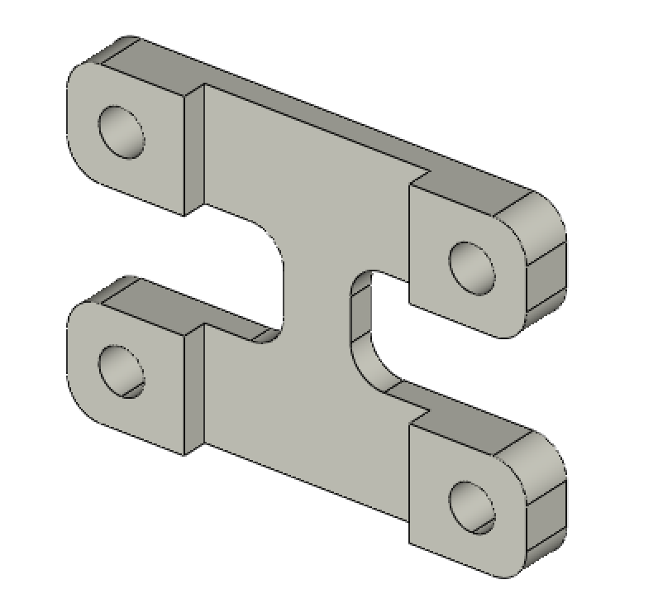 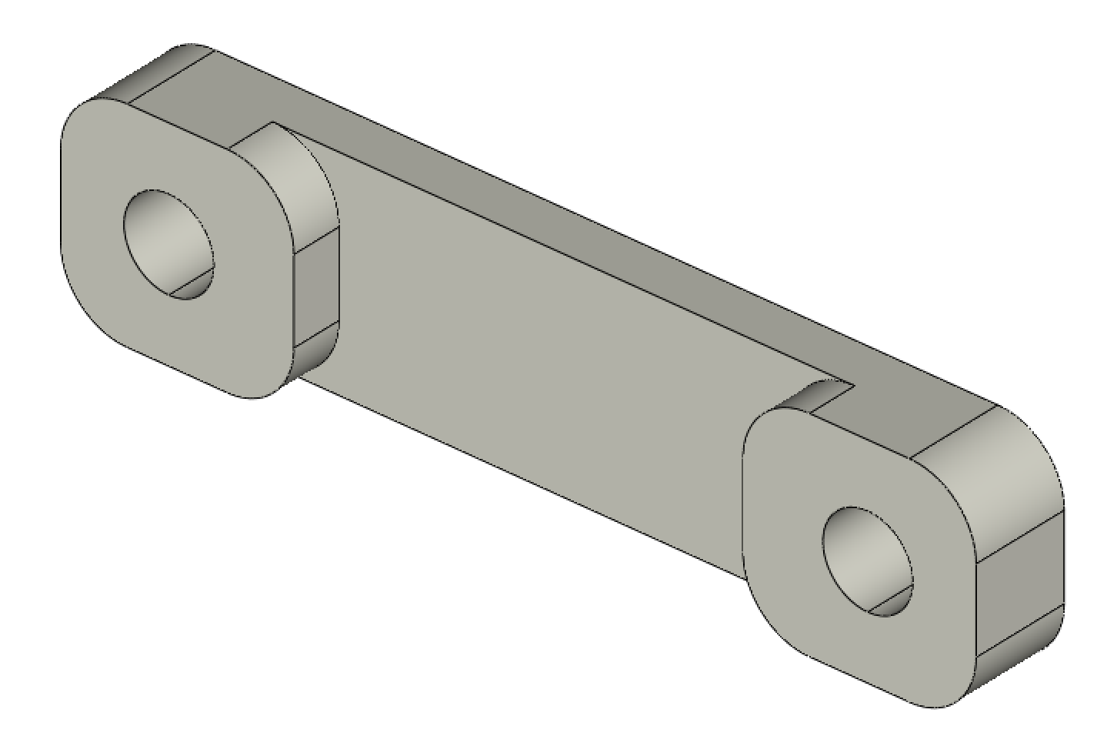 | 2 |  | 8 | 16
IGUS_housing | 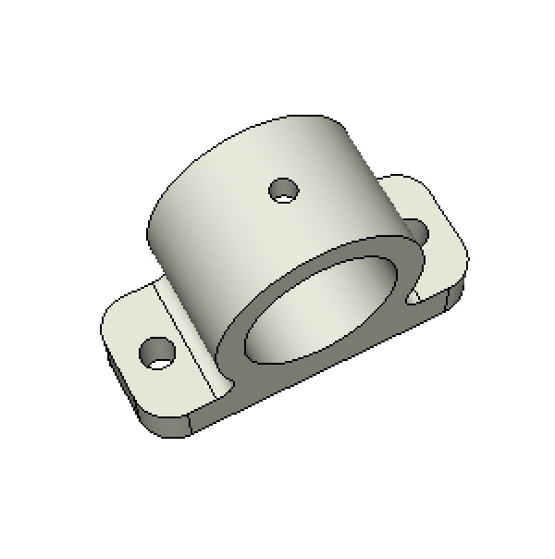 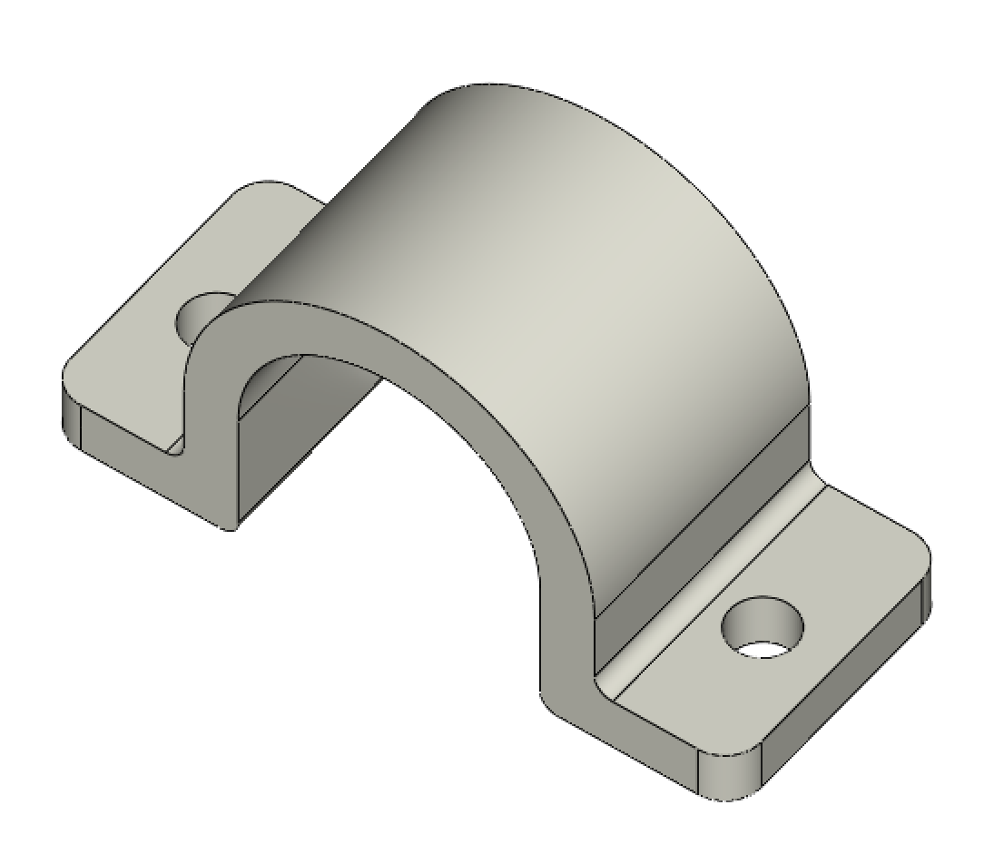 | 0 | For V5 | 8 | 0
YMOTOR_support_220 | 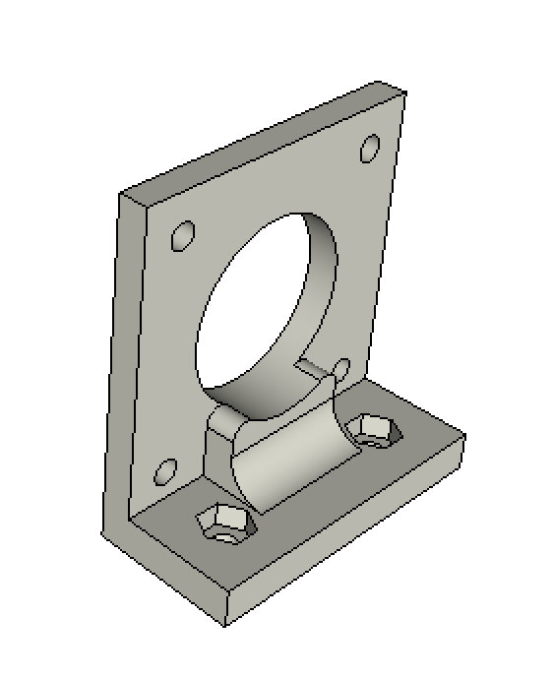 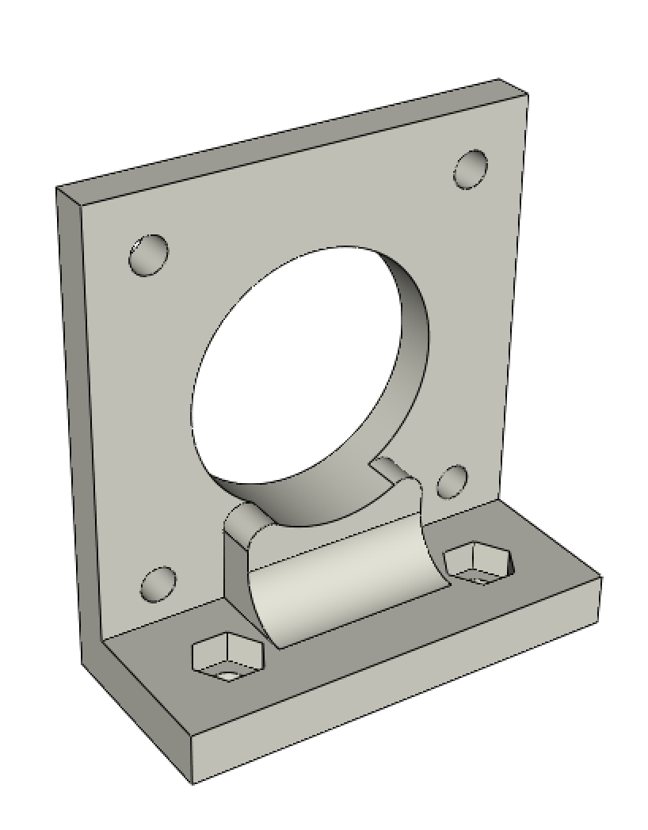 | 0 | for 220mm GT2 timing belt | 8 | 0
YMOTOR_support_200 | 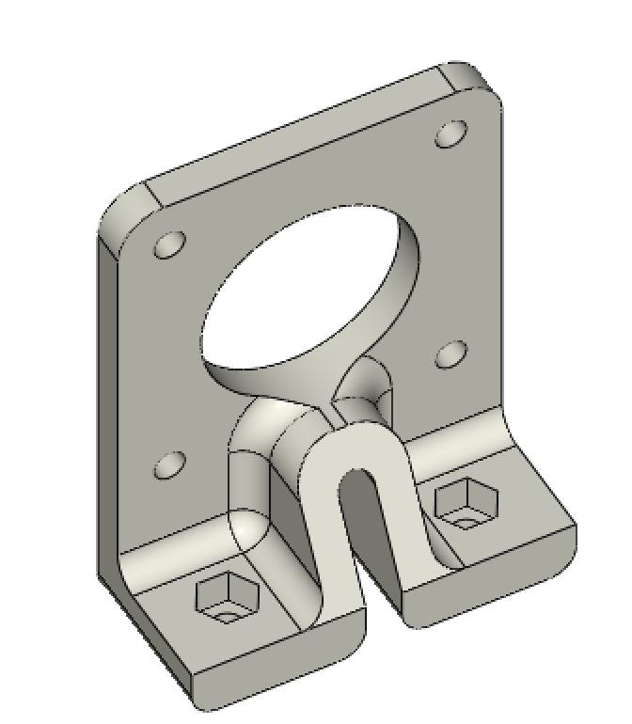 | 1 | for 200mm GT2 timing belt | 8 | 8
XMOTOR_support | 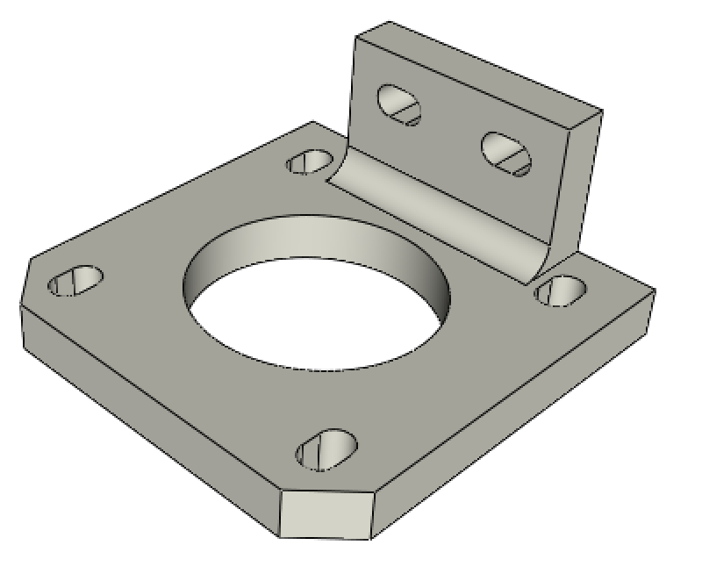 | 1 |  | 8 | 8
ROLL_joint | 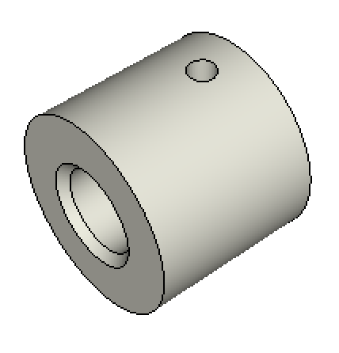 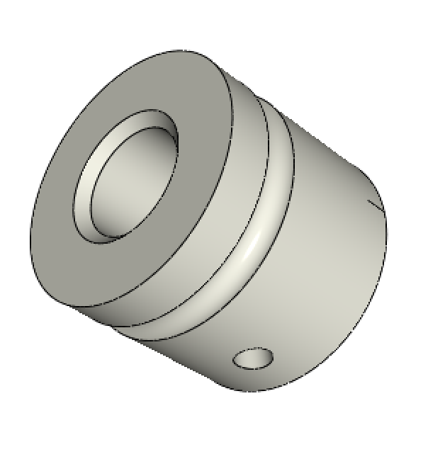 | 3 |  | 8 | 24
BOTTOM_trolley | 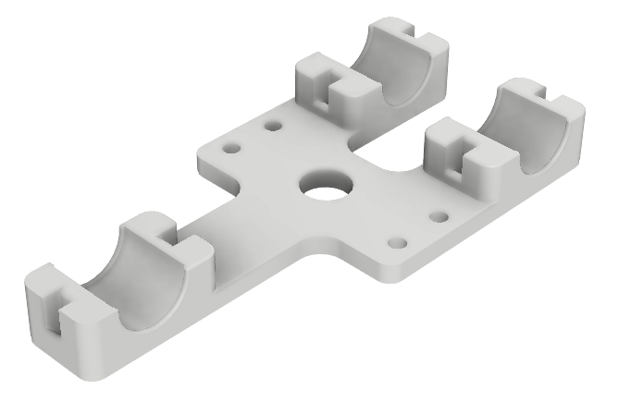 | 1 |  | 8 | 8 | 1
ELECTRO_MAGNET_housing | 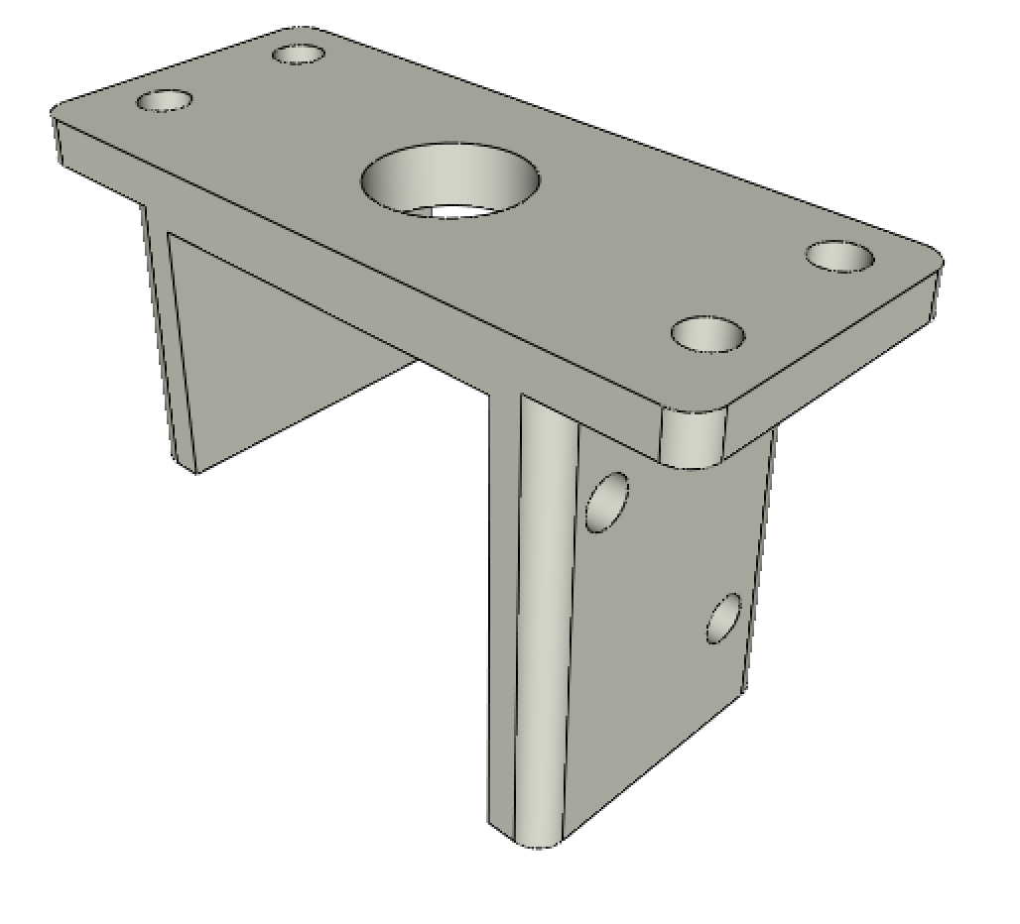 | 1 |  | 8 | 8
ELECTRO_MAGNET_guide | 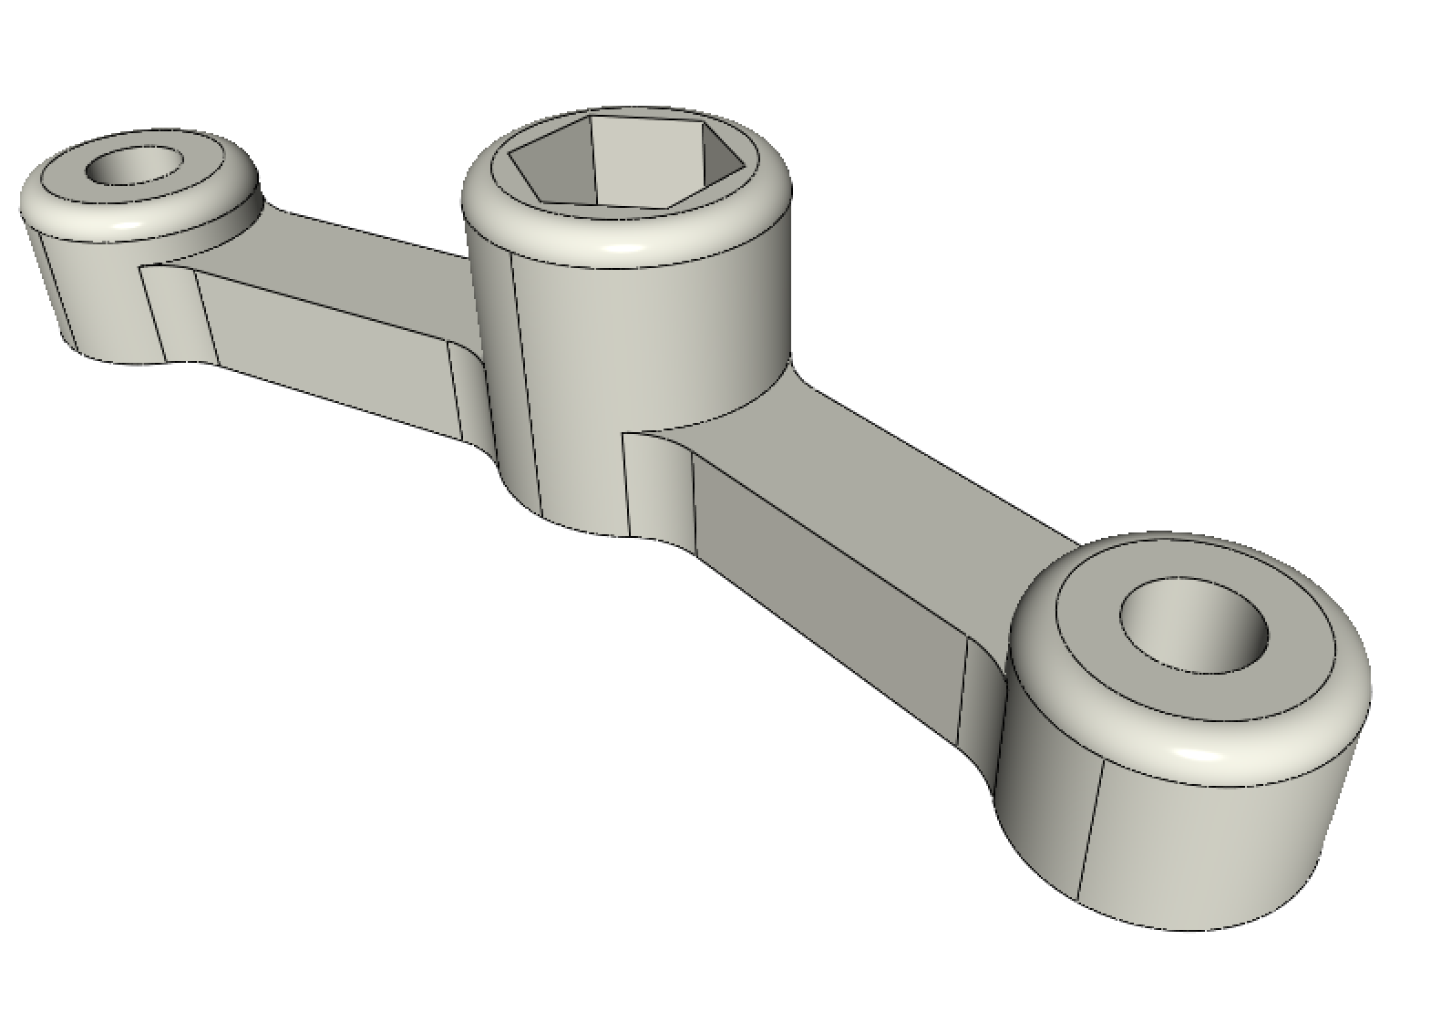 | 1 |  | 8 | 8
TOP_trolley | 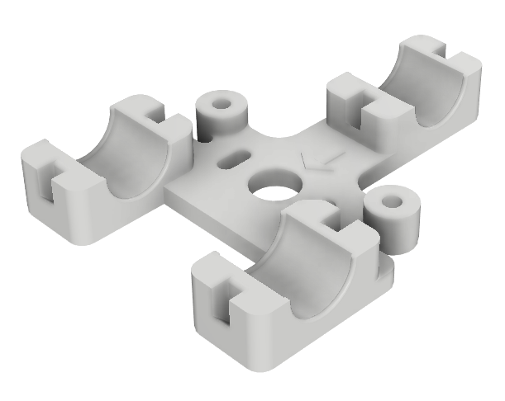 | 1 |  | 8 | 8
FEMALE_shape | 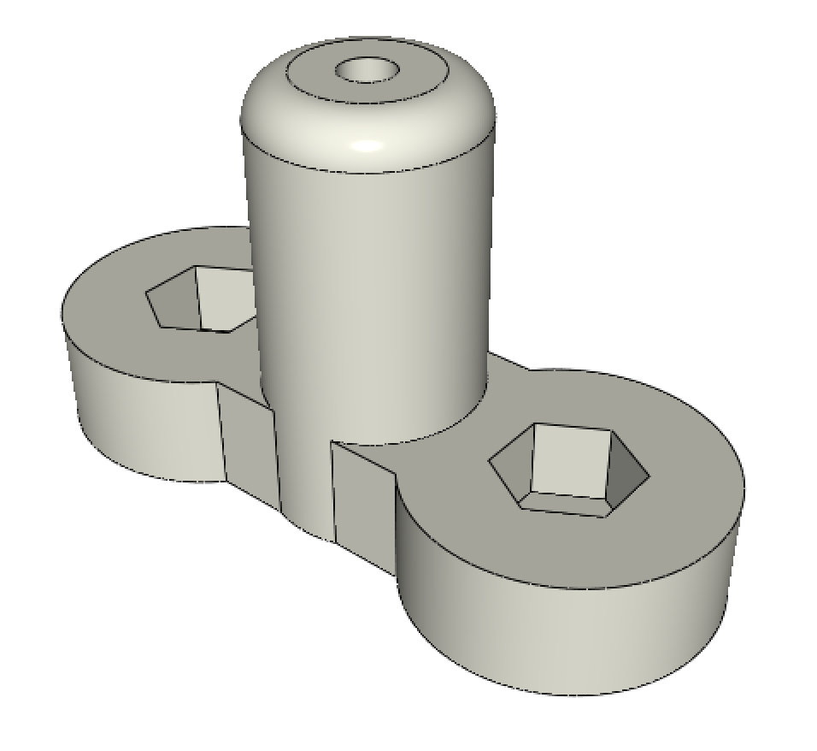 | 1 |  | 8 | 8
TOP_AXIS_left | 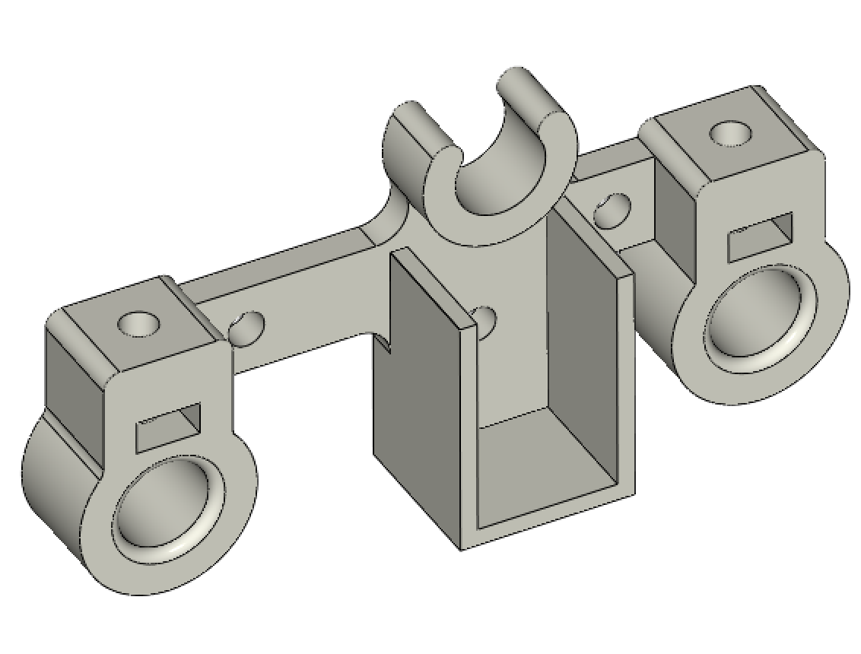 | 1 |  | 8 | 8
TOP_AXIS_right | 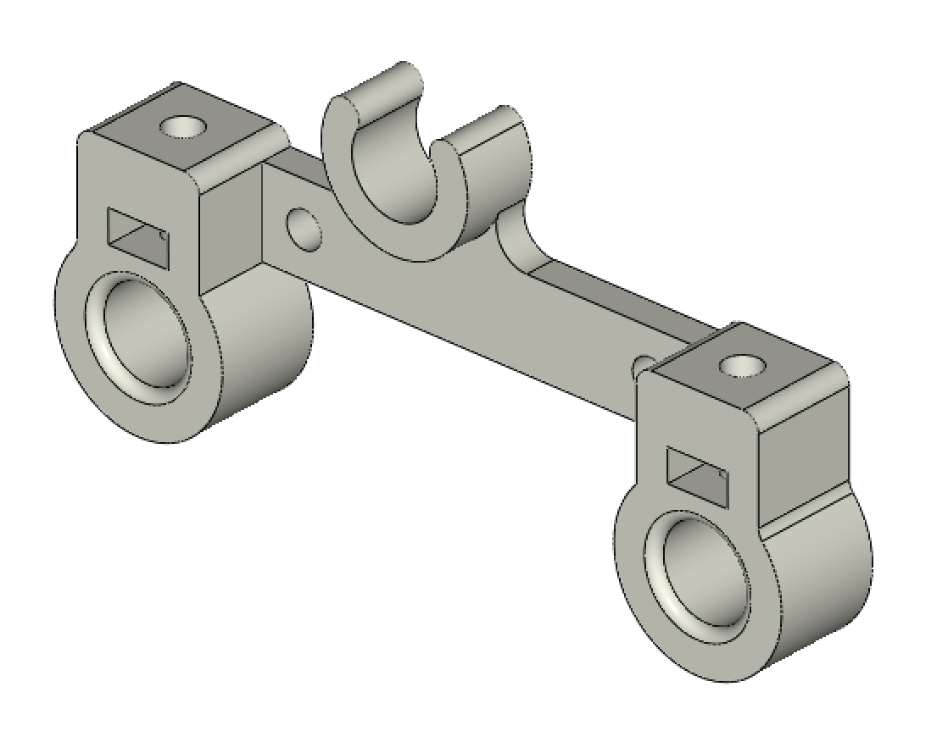 | 1 |  | 8 | 8
LID_LOCK | 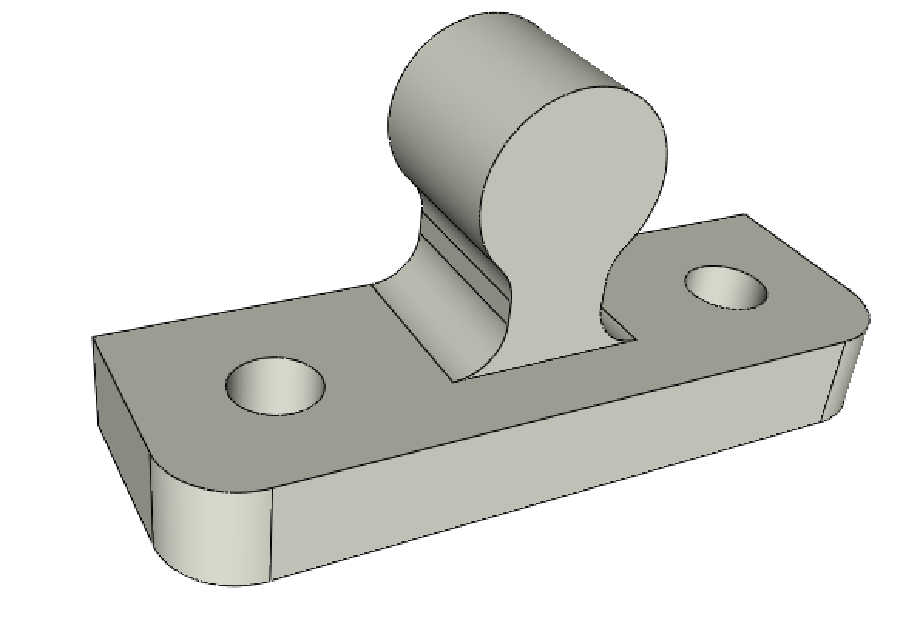 | 2 |  | 8 | 16
BOTTOM_AXIS_left | 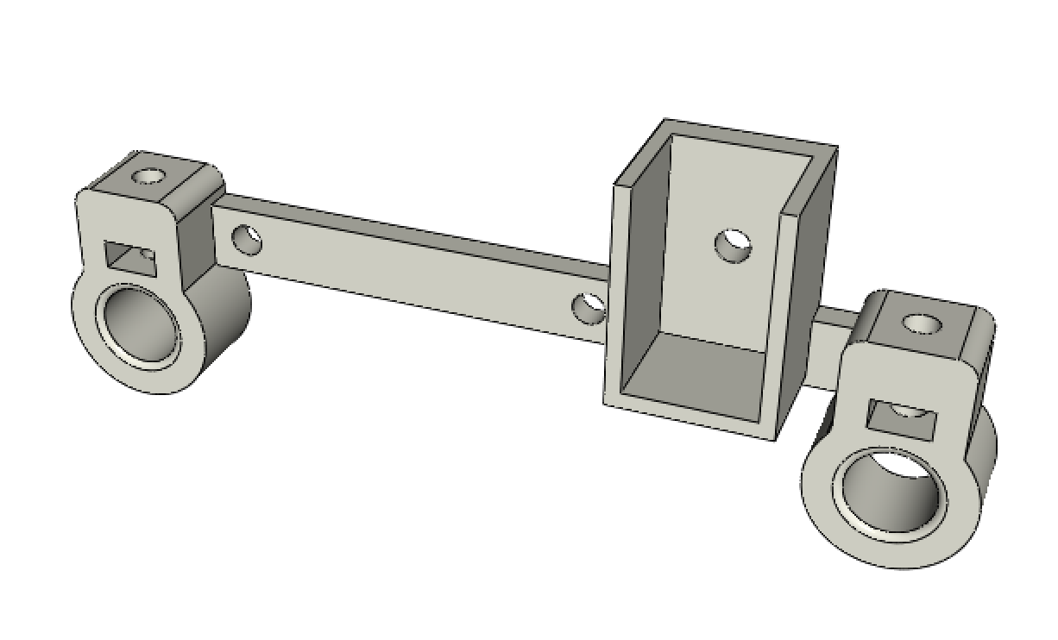 | 1 |  | 8 | 8
BOTTOM_AXIS_right | 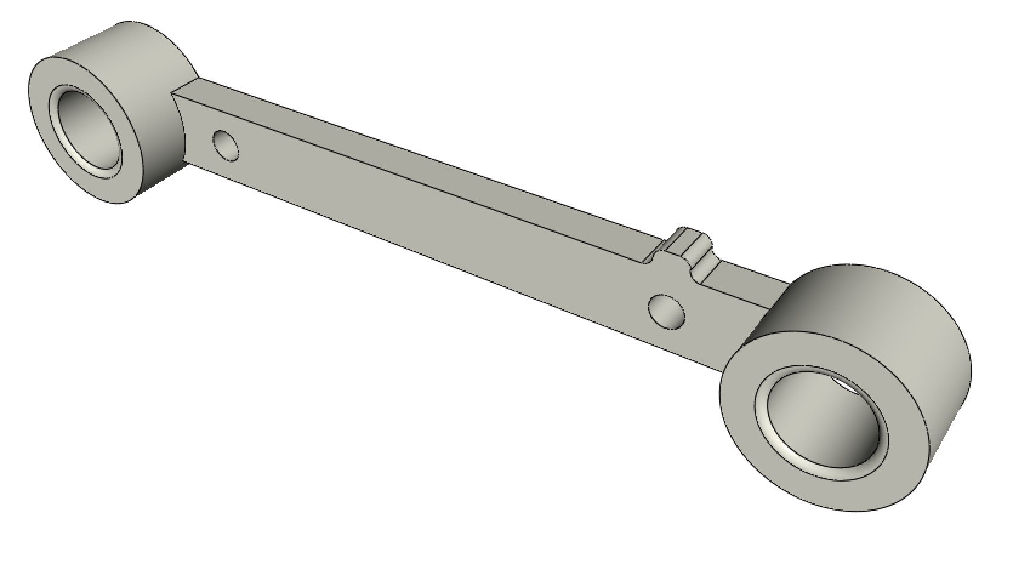 | 1 |  | 8 | 8
DRIVEN_PULLEY_housing | 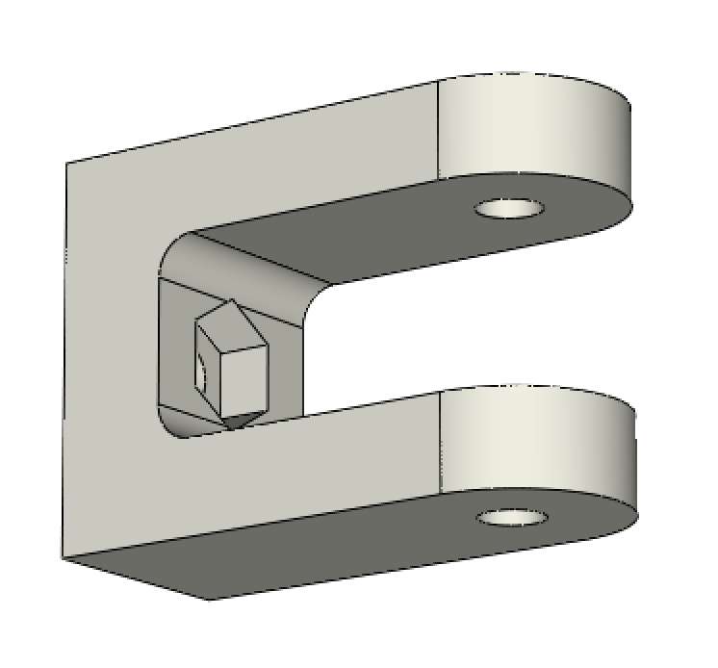 | 2 |  | 8 | 16
PAPER_GUIDE_left | 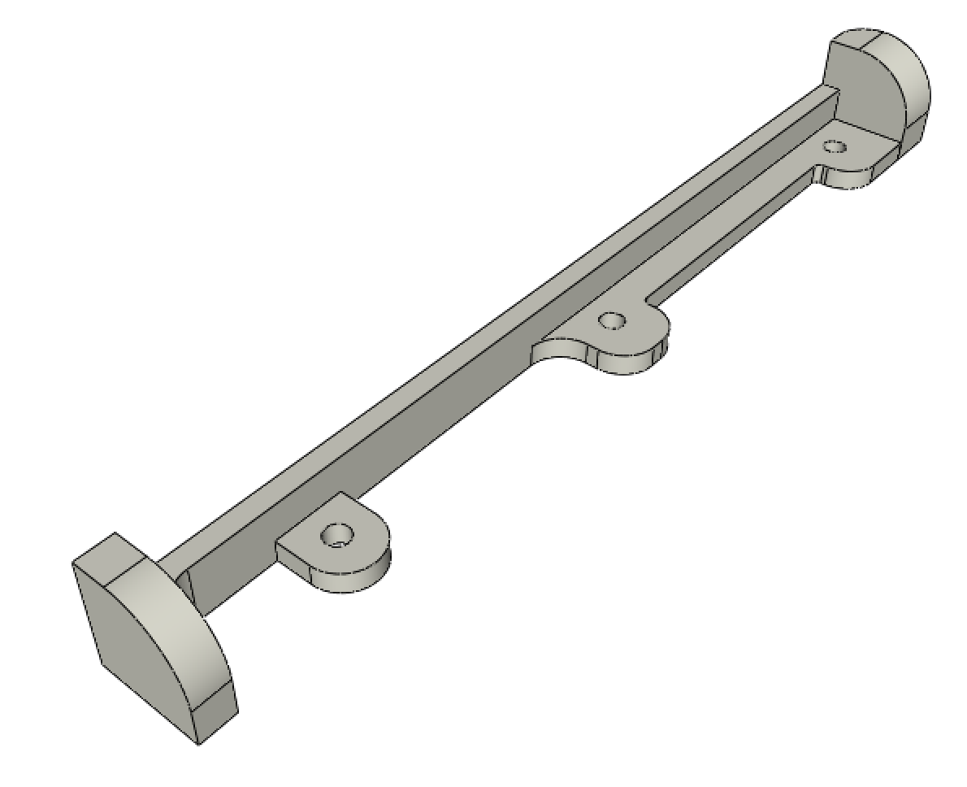 | 1 |  | 8 | 8
PAPER_GUIDE_right | 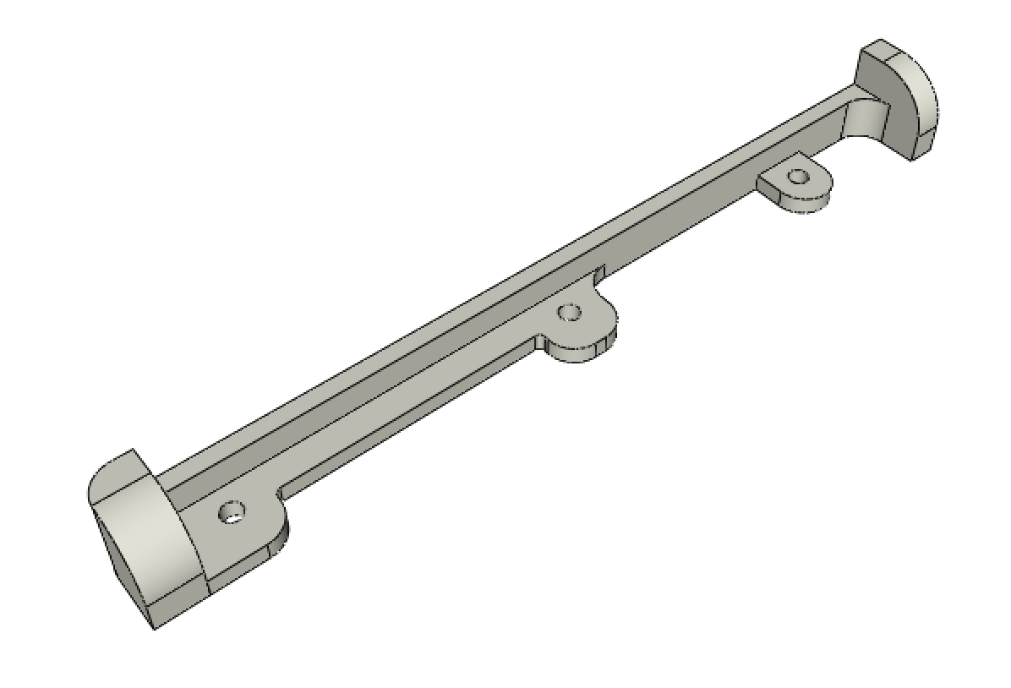 | 1 |  | 8 | 8
SWITCH_Y_support | 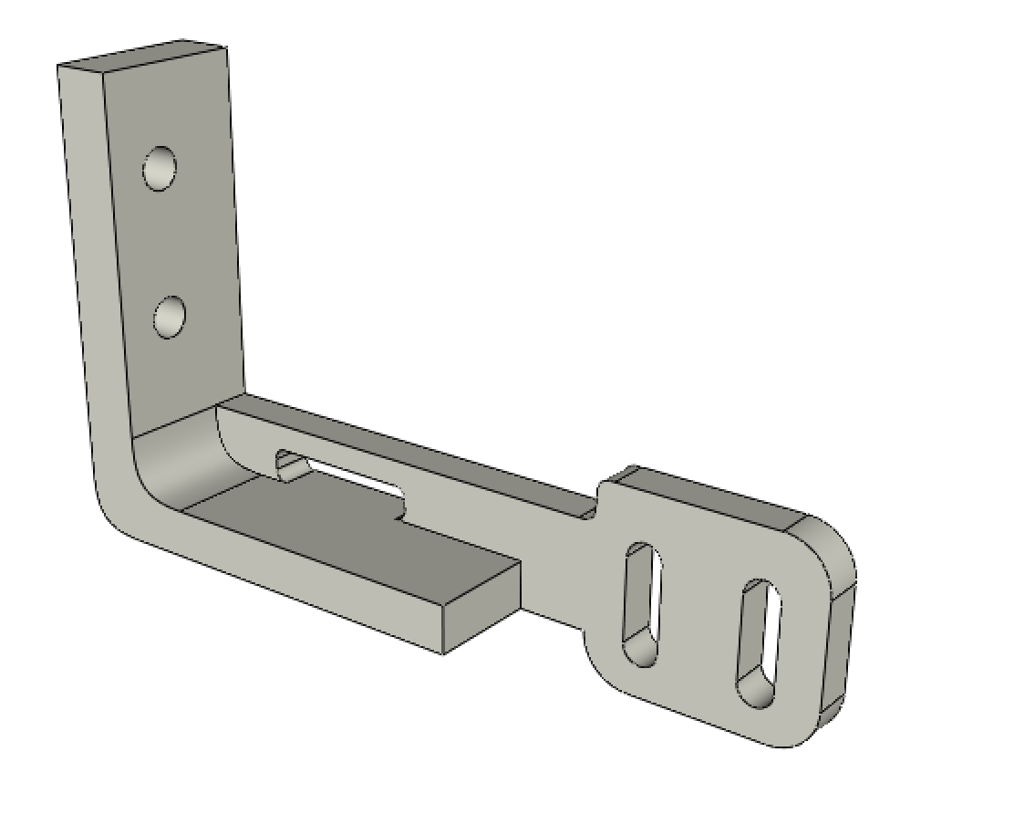 | 1 |  | 8 | 8
PAPER_raiser | 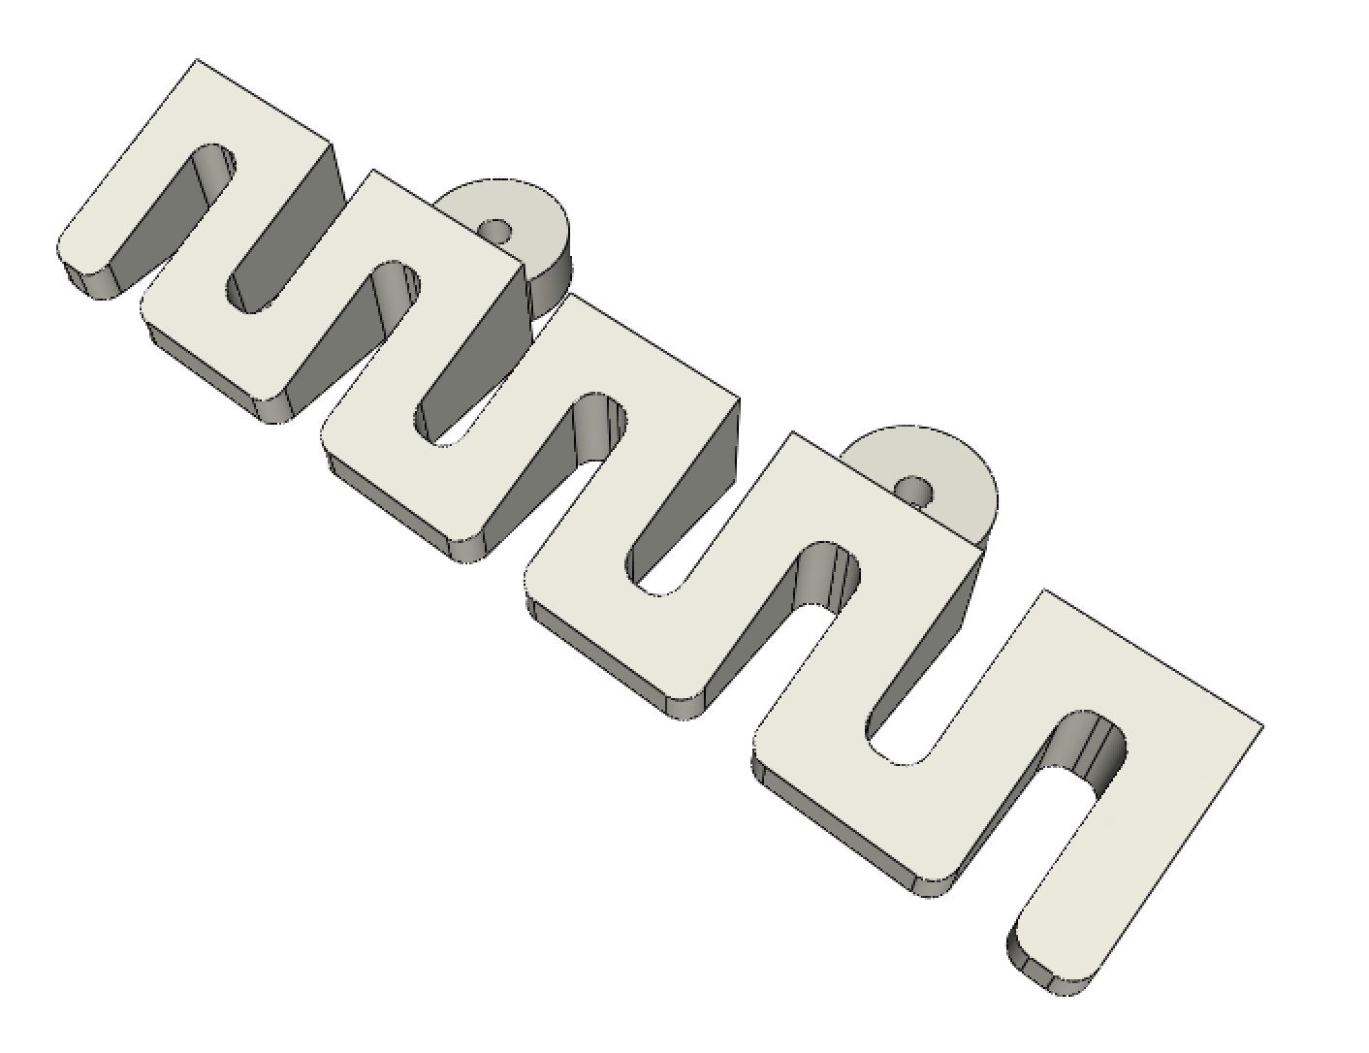 | 0 | FOR V5 | 8 | 0
SWITCH_X_support | 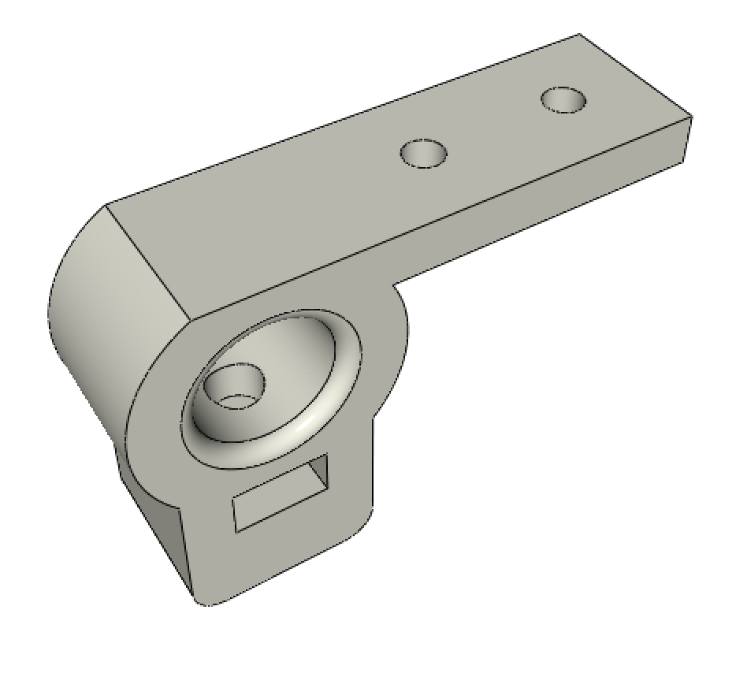 | 1 |  | 8 | 8
CLIPBOARD | 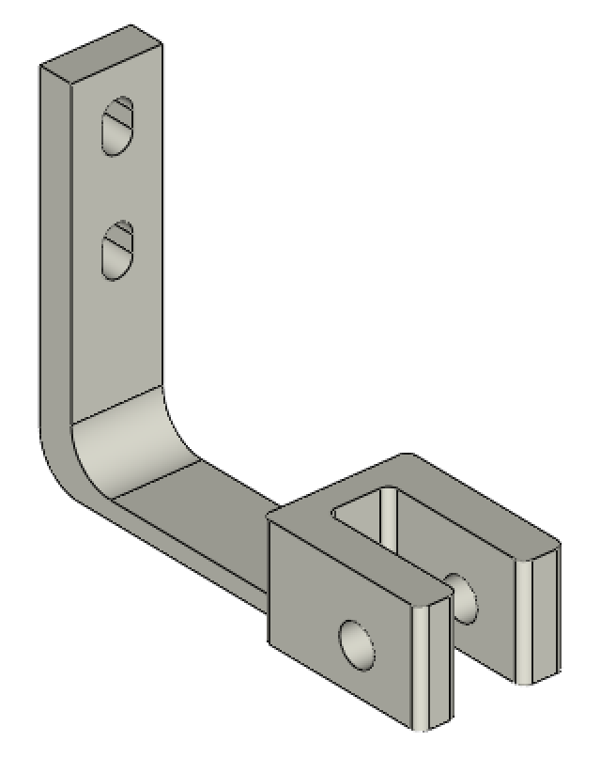 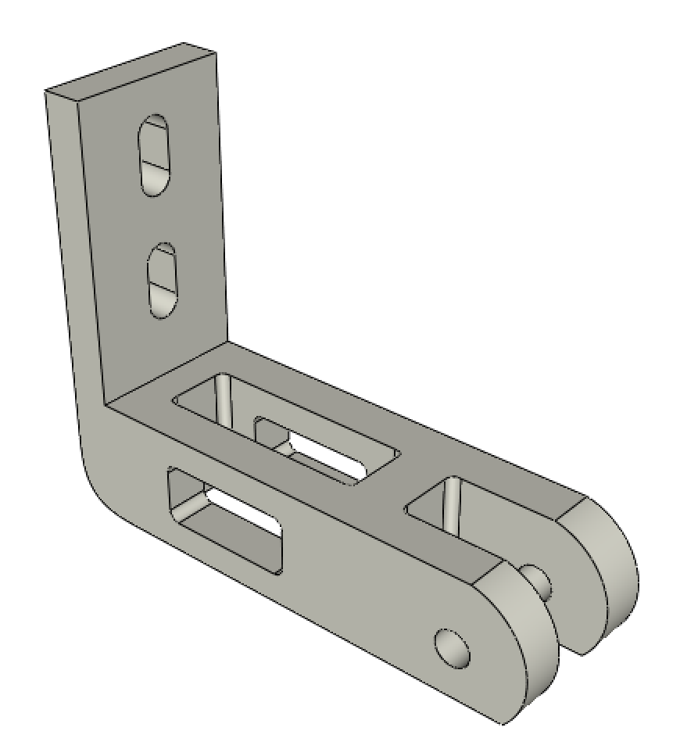 | 2 |  | 8 | 16
CLIPBOARD_WHEEL | 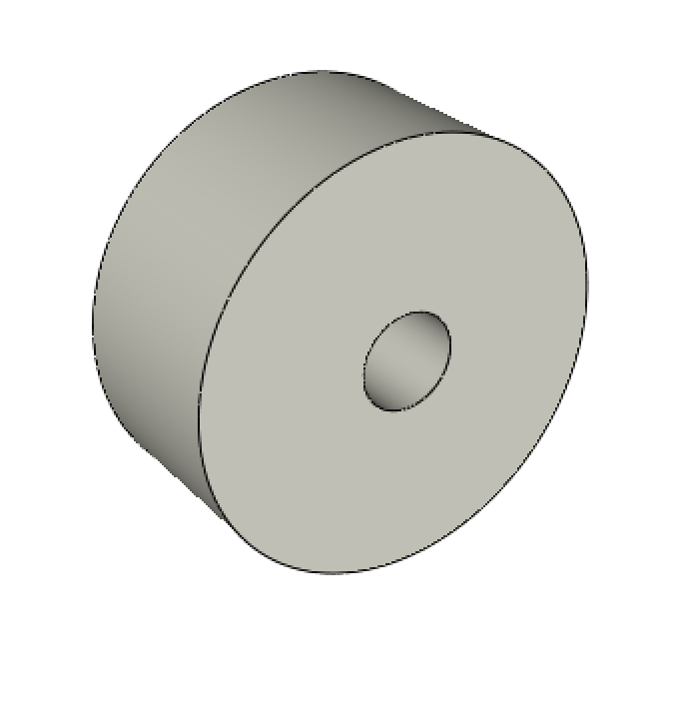 | 2 |  | 8 | 16 |  | 3
POWER_plate | 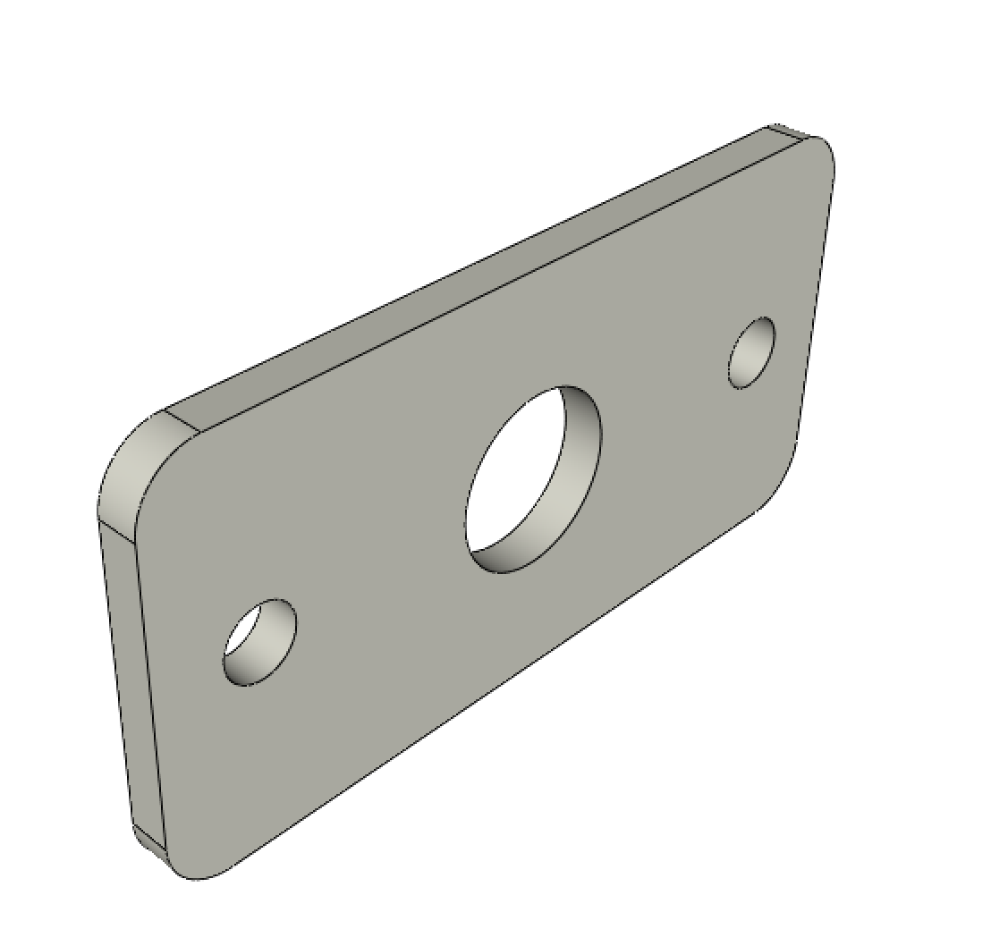 | 1 |  | 8 | 8 |  | 8

